Sheet1
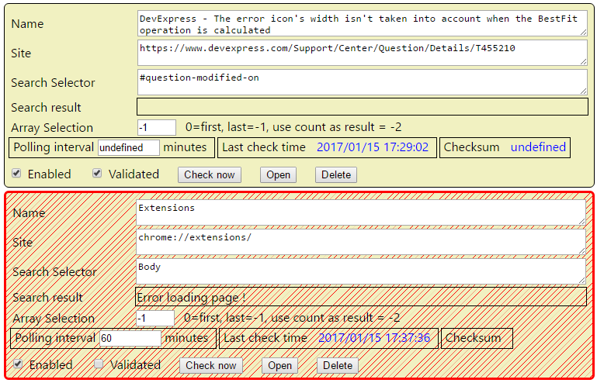

Manual check : don't unvalidate
checksum undefined after extension load. Not saved ?
Mimimize all, collapse all
Add a waiting glass
Add export button
Save minimized state by scanner (reopen the popup)
take a look at Bootstrap (npm)

Array selection : change look : first, last,use coutn, specific index
 | O first element
 | O Last element
 | O use count as result
 | O Specific index

Publish

bower : tracetool.js

